Notes
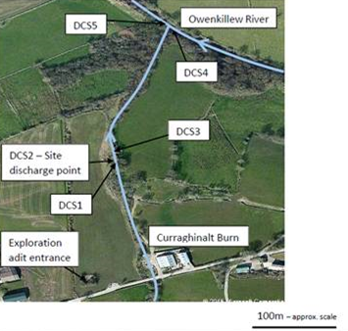
AMAP Results Notes
AMAP monitoring began 2016
Ionic balance completed = total metals
Dissolved metal analysis from 2018
No results for 2020, Q1 and Q2 of 2021 due to COVID

Routine Compliance Results Notes
Inconclusive dissolved Iron results - The dissolved metals results for station 65175 are primarily reported in units of ug/L on the F0200 reporting form. For station 65175, all the dissolved metals on the Consent require reporting in the same units (ug/L), except dissolved iron, which CMIIC requires in mg/L. Where the result has been reported as < 20, the conversion to mg/L has not been carried out due to an error and should have been converted and reported as < 0.02 mg/L
Inconclusive dissolved Cadmium results - Dissolved Cadmium was analysed using method M0410 throughout a period in 2019. This method has a limit of quantification (LoQ) of 2 ug/L. Therefore any result below this was reported as < 2 ug/L. In early 2019, the dissolved Cadmium analysis was transitioned to a new instrument and method (M0405), which has a lower LoQ of 0.05 ug/L. During this transition period, it appears that during February – July 2019, the M0410 results were reported on the F0084 results sheets and the Consents excel reports for station 65175. Due to the LoQ being higher than the Consent limit, an inconclusive result has been flagged. Having reviewed the analysis runs on the M0405 instrument, Dissolved Cadmium for station 65175 was also analysed using method M0405 for February – July 2019, and all results came out at < 0.05 ug/L.

Sample location plan

